ABC (51625)
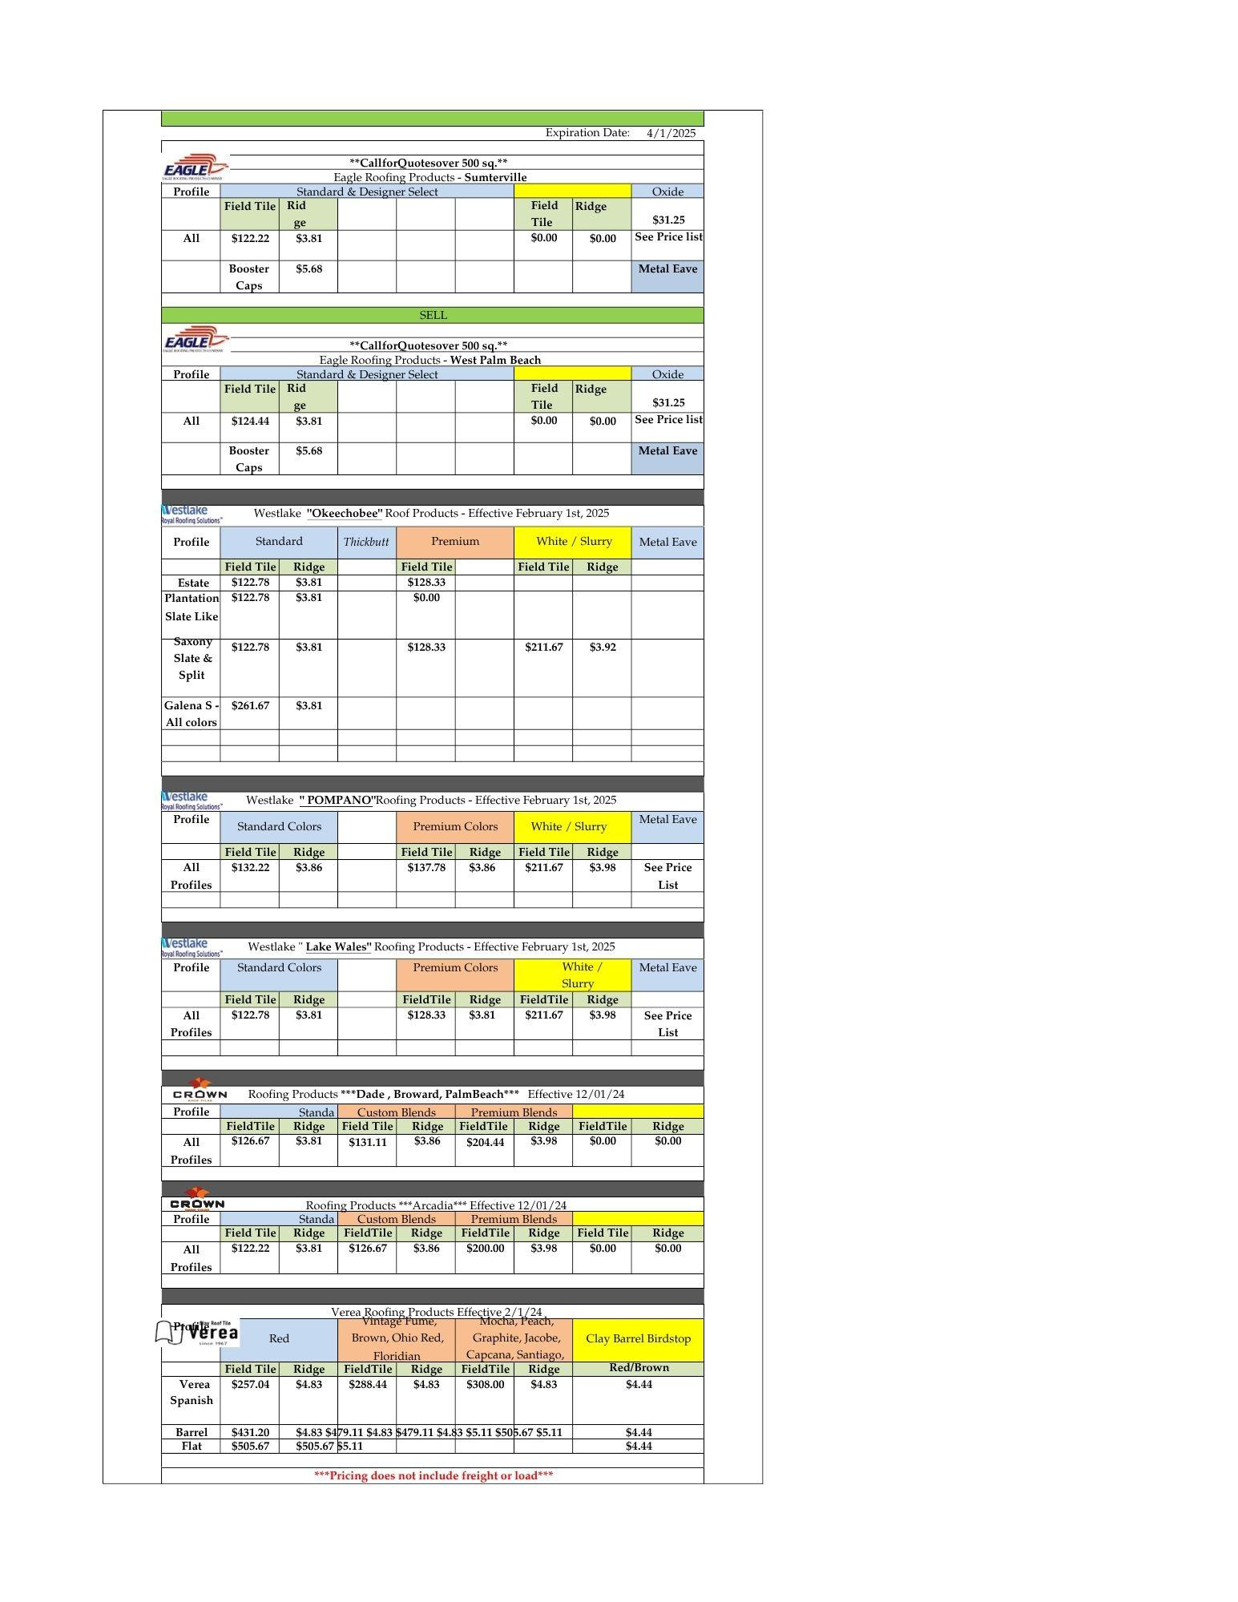
Materials | Price | w/ Tax | w/ Waste | Squares per M | Price per Square
1 1/4" Coil Nails | $67.99 | $73 | $80 | 12.5 | $6
Sheething nails | $77.99 | $83 | $92 | 50 | $2
Tin Tags | $95.00 | $102 | $112 | 20 | $6
5/8" CDX Plywood | $40.00 | $43 | $47 | 0.32 | $147
1x6 T&G x 12 (pine) | $10.50 | $11 | $12 | 0.06 | $206
1x8 T&G x 12 (pine) | $14.00 | $15 | $16 | 0.08 | $206
1x6 x 12 (fascia) | MKT | #VALUE! | #VALUE! | 0.08 | #VALUE!
1x8 x 12 (fascia) | MKT | #VALUE! | #VALUE! | 0.08 | #VALUE!
1x2 x8 (wood nailer) | MKT | #VALUE! | #VALUE! | 1 | #VALUE!
1x4 x 8 (fascia) | MKT | #VALUE! | #VALUE! | 1 | #VALUE!
2x4 x 10 (structural) | $14.00 | $15 | $16 | 1 | $16
1" Led Stacks | $12.00 | $13 | $14 | 4 | $4
2" Led Stacks | $16.00 | $17 | $19 | 4 | $5
3" Led Stacks | $20.50 | $22 | $24 | 4 | $6
4" Led Stacks | $28.50 | $30 | $34 | 4 | $8
5" Led Stacks | $37.00 | $40 | $44 | 4 | $11
10" Gooseneck Vent | $43.40 | $46 | $51 | 4 | $13
10' Term Bar | $9.00 | $10 | $11 | 1 | $11
10' Galv. Stucco Metal | $9.25 | $10 | $11 | 1 | $11
10' Copper Stucco Metal | MKT | #VALUE! | #VALUE! | 1 | #VALUE!
5x7 Galv. "L" Metal | $21.50 | $23 | $25 | 1 | $25
5x7 Copper "L" Metal | MKT | #VALUE! | #VALUE! | 1 | #VALUE!
26 ga. Galv. Valley Metal (50 ft.) | $76.50 | $82 | $90 | 10 | $9
16" Copper Valley Metal (60 ft. = 80 lbs) | MKT | #VALUE! | #VALUE! | 10 | #VALUE!
3x3 Drip Metal | $9.50 | $10 | $11 | 1 | $11
Eave Closure | $26.00 | $28 | $31 | 1 | $31
3x3 Copper Drip Metal | MKT | #VALUE! | #VALUE! | 1 | #VALUE!
Tamko #30 | $48.50 | $52 | $57 | 2 | $29
GAP #30 | $34.75 | $37 | $41 | 2 | $20
Apoc #30 | $32.80 | $35 | $39 | 2 | $19
CT WinterGuard SandX (shingle) | $67.85 | $73 | $80 | 2 | $40
Roofnado Spyder PSU (shingle) | $59.00 | $63 | $69 | 2 | $35
Roofnado AnchorDeck PSU (40 mil) - shingle and metal HVHZ | $72.00 | $77 | $85 | 1.85 | $46
CT Vycor Grace Ice & Fire (40 mil) | $152.00 | $163 | $179 | 2.25 | $80
Roofnado AnchorDeck PSU HT (50 mil) | $76.50 | $82 | $90 | 1.85 | $49
Roofnado AnchorDeck LapLock HD 60 (60 mil) |  | $0 | $0 | 1.85 | $0
PolyAnchor HV (55 mil) | $74.58 | $80 | $88 | 2 | $44
TU Plus (80 mil) | $105.20 | $113 | $124 | 2 | $62
TU Max (60 mil) | $96.50 | $103 | $114 | 2 | $57
Polyglass PX-HT |  | $0 | $0 | 2 | $0
IR-Xe (60 mil) | $69.00 | $74 | $81 | 1.9 | $43
Polyglass MX (50 mil) - shingles & metal | $88.50 | $95 | $104 | 2 | $52
MTS (60 mil) | $105.20 | $113 | $124 | 2 | $62
XFR (80 mil) | $123.80 | $132 | $146 | 1.5 | $97
GAF Versashield | $164.00 | $175 | $193 | 3.5 | $55
PG 100 Asphalt Primer | $51.99 | $56 | $61 | 5 | $12
PG 500 | $38.00 | $41 | $45 | 7 | $6
PP 50 | $41.99 | $45 | $49 | 5 | $10
Polyflash 1C | $151.99 | $163 | $179 | 2.5 | $72
4" Ridge Metal | $17.50 | $19 | $21 | 1.25 | $16
5" Ridge Metal | $19.25 | $21 | $23 | 1.25 | $18
6" Ridge Metal | $19.95 | $21 | $23 | 1.25 | $19
XT-25 3 Tab Shingles | $32.53 | $35 | $38 | 0.333 | $115
Starter Shingles | $50.00 | $54 | $59 | 20 | $3
H&R Shingles | $61.00 | $65 | $72 | 3 | $24
Landmark Shingles | $38.59 | $41 | $45 | 0.333 | $136
Landmark Pro Arch. Shingles | $43.70 | $47 | $51 | 0.333 | $154
Elastobase V | $110.26 | $118 | $130 | 2 | $65
Polyglass Modifleece | $118.12 | $126 | $139 | 1.5 | $93
SA V | $105.99 | $113 | $125 | 2 | $62
SA P | $101.99 | $109 | $120 | 1 | $120
SA V FR | $119.99 | $128 | $141 | 2 | $71
SA P FR | $115.99 | $124 | $137 | 1 | $137
SAV Plus FR | $125.00 | $134 | $147 | 1.5 | $98
Polyfresko SA FR | $152.99 | $164 | $180 | 1 | $180
Polyfresko G FR | $152.99 | $164 | $180 | 1 | $180
CT Flintlastic PlyBase SA | $106.00 | $113 | $125 | 2 | $62
Bright white CAP
CT Flintlastic SA Cap | $98.00 | $105 | $115 | 1 | $115
1/4" SecuRock | $16.00 | $17 | $19 | 0.16 | $118
1/2" SecuRock | $20.50 | $22 | $24 | 0.16 | $151
1" Insulation (stock) | $11.43 | $12 | $13 | 0.16 | $84
1.5" Insulation (stock) | $13.20 | $14 | $16 | 0.16 | $97
2" Insulation (stock) | $17.60 | $19 | $21 | 0.16 | $129
2.5" Insulation (stock) | $23.83 | $25 | $28 | 0.16 | $175
3" Insulation (stock) | $29.53 | $32 | $35 | 0.16 | $217
4.5" Insulation (stock) | $33.00 | $35 | $39 | 0.16 | $243
Olybond 500 (A&B Cannisters) | $1,400.00 | $1,498 | $1,648 | 25 | $66
Polyglass Low-Rise Foam (A&B Cannisters) | $1,902.00 | $2,035 | $2,239 | 25 | $90
TPO 1 5/8" Screws (1,000) - stock price | $145.90 | $156 | $172 | 15 | $11
TPO 2 1/4" Screws (1,000) - stock price | $179.90 | $192 | $212 | 15 | $14
TPO 2 7/8" Screws (1,000) | MKT | #VALUE! | #VALUE! | 15 | #VALUE!
TPO 3 3/4" Screws (1,000) | MKT | #VALUE! | #VALUE! | 15 | #VALUE!
TPO 4 1/2" Screws (1,000) | MKT | #VALUE! | #VALUE! | 15 | #VALUE!
TPO 10" Screws (1,000) | MKT | #VALUE! | #VALUE! | 15 | #VALUE!
TPO 11" Screws (1,000) | MKT | #VALUE! | #VALUE! | 15 | #VALUE!
TPO 12" Screws (1,000) | MKT | #VALUE! | #VALUE! | 15 | #VALUE!
3" ISO Plates (1,000) - stock price | $278.21 | $298 | $327 | 20 | $16
2 3/8" Barbed Seam Plates (1,000) - stock price | $431.86 | $462 | $508 | 30 | $17
60 mil GAF TPO - stock price | $860.00 | $920 | $1,012 | 10 | $101
60 mil GAF TPO (5' roll) - stock price | $430.00 | $460 | $506 | 5 | $101
GAF VersaShield Solo - stock price | $845.99 | $905 | $996 | 10 | $100
GAF Detail Membrane - stock price | $355.99 | $381 | $419 | 20 | $21
1121 TPO Bonding Adhesive - stock price | $175.00 | $187 | $206 | 3 | $69
Cut Edge Sealant - stock price | $34.00 | $36 | $40 | 20 | $2
TPO Seam Cleaner (1 gal) - stock price | $58.00 | $62 | $68 | 20 | $3
GAF TPO Split Boots (3-5") - stock price | $47.03 | $50 | $55 | 1 | $55
GAF TPO Patches (100) - stock price | $100.00 | $107 | $118 | 20 | $6
GAF Waterblock - stock price | $12.00 | $13 | $14 | 75 | $0
Unitile LV Sealer |  | $0 | $0 | 5 | $0
Unisil A&B Primer |  | $0 | $0 | 5 | $0
Surface Seal SB | $312.00 | $334 | $367 | 4 | $92
GAF TPO Red Primer (5 gal) | $303.00 | $324 | $357 | 7.5 | $48
GAF FlexCoat | $239.00 | $256 | $281 | 7.5 | $38
PB 97X (2-part silicone primer)... for both A&B | $296.00 | $317 | $348 | 5 | $70
PB 98 (silicone primer) | $218.99 | $234 | $258 | 5 | $52
PB 95 (solvent based silicone) | $208.00 | $223 | $245 | 4 | $61
PB 93 (silicone mastic - 3.5 gal) | $218.00 | $233 | $257 | 10 | $26
PB 745 (acyrlic primer) | $156.00 | $167 | $184 | 10 | $18
PB 84 (metal primer) |  | $0 | $0 | 10 | $0
PB 70 (acrylic) | $194.00 | $208 | $228 | 3.333 | $69
PB 77 (thermoplastic flashing grade - 3.5 gal) | $158.30 | $169 | $186 | 3 | $62
Polyglass Fabric 6" x 300' | $46.00 | $49 | $54 | 25 | $2
ICP Tile Foam (17 gal) A&B - 13" tile | $2,459.00 | $2,631 | $2,894 | 32.47 | $89
ICP Tile Foam (17 gal) A&B - barrel | $2,459.00 | $2,631 | $2,894 | 24.35 | $119
MH 60 mil Fleeceback TPO | MKT | #VALUE! | #VALUE! | 12 | #VALUE!
MH 60 mil TPO (10' roll) | MKT | #VALUE! | #VALUE! | 10 | #VALUE!
MH 60 mil TPO (6' roll) | MKT | #VALUE! | #VALUE! | 6 | #VALUE!
MH Detail Membrane | MKT | #VALUE! | #VALUE! | 20 | #VALUE!
MH AquaBase TPO Bonding Adhesive | MKT | #VALUE! | #VALUE! | 3 | #VALUE!
MH Cut Edge Sealant | MKT | #VALUE! | #VALUE! | 20 | #VALUE!
MH TPO Seam Cleaner | MKT | #VALUE! | #VALUE! | 20 | #VALUE!
MH TPO Split Boots | MKT | #VALUE! | #VALUE! | 1 | #VALUE!
MH TPO Patches (100) | MKT | #VALUE! | #VALUE! | 20 | #VALUE!
MH TPO Clad Sheet | MKT | #VALUE! | #VALUE! | 7 | #VALUE!
MH Waterblock | MKT | #VALUE! | #VALUE! | 75 | #VALUE!
WB-3000 (acrylic primer) - 5 gal - $160 per Beacon | $160 | $171 | $188 | 15 | $13
6" SA V Flashing Strips (6 rolls per box) - $23.27 per roll | $140 | $149 | $164 | 7.5 | $22
9" SA V Flashing Strips (6 rolls per box) - $38.75 per roll | $233 | $249 | $274 | 7.5 | $36
1/2" Plywood | $37.44 | $40 | $44 | 1 | $44
4x5 Glav "L" Metal | $13 | $14 | $15 | 1 | $15
Carribiean Tile | $278

